Survival Analysis >>>
Survival analysis is concerned with studying the time between entry to a study and a subsequent event. | >>> | So it shouldn’t matter when the store actually enters the study, as long as it did within the time period 06-2010 to 03-2021

Those who have not died are considered (right) censored | >>>

https://onlinelibrary.wiley.com/doi/pdf/10.1002/0470034572.ch2
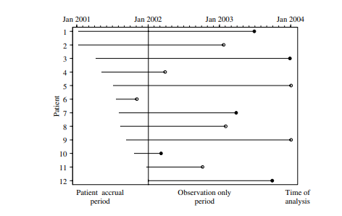
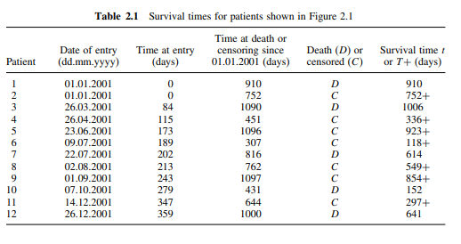
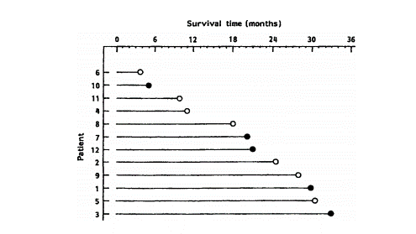

- This event, that is, the ‘death’, was considered the ‘principal outcome measure’ of the trial.
- Parients for whom we have not observed the event of interest are said to provide 'censored' data.

